Ean+FOTO
 |  |  |  |  |  |  | 3373
PICTURE | SKU | RRP | WHLS | COLOR | SIZE | EAN | AVAILABLE QTY
 | W BONDI9 1162014 | 180.00 € | 90.00 € | VCH | US5D/UK3.5/EU 36 | 197634746906 | 20
 | W BONDI9 1162014 | 180.00 € | 90.00 € | VCH | US5.5D/UK4/EU 36 2/3 | 197634746913 | 53
 | W BONDI9 1162014 | 180.00 € | 90.00 € | VCH | US6D/UK4.5/EU 37 1/3 | 197634746920 | 79
 | W BONDI9 1162014 | 180.00 € | 90.00 € | VCH | US6.5D/UK5/EU 38 | 197634747064 | 79
 | W BONDI9 1162014 | 180.00 € | 90.00 € | VCH | US7D/UK5.5/EU 38 2/3 | 197634746944 | 155
 | W BONDI9 1162014 | 180.00 € | 90.00 € | VCH | US7.5D/UK6/EU 39 1/3 | 197634746937 | 115
 | W BONDI9 1162014 | 180.00 € | 90.00 € | VCH | US8D/UK6.5/EU 40 | 197634746999 | 83
 | W BONDI9 1162014 | 180.00 € | 90.00 € | VCH | US8.5D/UK7/EU 40 2/3 | 197634746982 | 44
 | W BONDI9 1162014 | 180.00 € | 90.00 € | VCH | US9D/UK7.5/EU 41 1/3 | 197634747019 | 39
 | W BONDI9 1162014 | 180.00 € | 90.00 € | VCH | US9.5D/UK8/EU 42 | 197634747002 | 10
 | W BONDI9 1162014 | 180.00 € | 90.00 € | VCH | US10D/UK8.5/EU 42 2/3 | 197634747033 | 11
 | W BONDI9 1162014 | 180.00 € | 90.00 € | VCH | US10D/UK9/EU 43 1/3 | 197634747026 | 9
 | W BONDI9 1162014 | 180.00 € | 90.00 € | VCH | US11D/UK9.5/EU 44 | 197634747040 | 9
 | W BONDI9 1162014 | 180.00 € | 90.00 € | RLTT | US5D/UK3.5/EU 36 | 198605167447 | 7
 | W BONDI9 1162014 | 180.00 € | 90.00 € | RLTT | US5.5D/UK4/EU 36 2/3 | 198605167430 | 98
 | W BONDI9 1162014 | 180.00 € | 90.00 € | RLTT | US6D/UK4.5/EU 37 1/3 | 198605167461 | 88
 | W BONDI9 1162014 | 180.00 € | 90.00 € | RLTT | US6.5D/UK5/EU 38 | 198605167454 | 145
 | W BONDI9 1162014 | 180.00 € | 90.00 € | RLTT | US7D/UK5.5/EU 38 2/3 | 198605167485 | 155
 | W BONDI9 1162014 | 180.00 € | 90.00 € | RLTT | US7.5D/UK6/EU 39 1/3 | 198605167478 | 146
 | W BONDI9 1162014 | 180.00 € | 90.00 € | RLTT | US8D/UK6.5/EU 40 | 198605167539 | 107
 | W BONDI9 1162014 | 180.00 € | 90.00 € | RLTT | US8.5D/UK7/EU 40 2/3 | 198605167522 | 59
 | W BONDI9 1162014 | 180.00 € | 90.00 € | RLTT | US9D/UK7.5/EU 41 1/3 | 198605167584 | 72
 | W BONDI9 1162014 | 180.00 € | 90.00 € | RLTT | US9.5D/UK8/EU 42 | 198605167577 | 5
 | W BONDI9 1162014 | 180.00 € | 90.00 € | RLTT | US10D/UK8.5/EU 42 2/3 | 198605167607 | 5
 | W BONDI9 1162014 | 180.00 € | 90.00 € | RLTT | US10D/UK9/EU 43 1/3 | 198605167591 | 5
 | W BONDI9 1162014 | 180.00 € | 90.00 € | RLTT | US11D/UK9.5/EU 44 | 198605167614 | 6
 | W BONDI9 1162014 | 180.00 € | 90.00 € | WWH | US5.5D/UK4/EU 36 2/3 | 197634747231 | 2
 | W BONDI9 1162014 | 180.00 € | 90.00 € | WWH | US5.5D/UK4/EU 36 2/3 | 197634747071 | 3
 | W BONDI9 1162014 | 180.00 € | 90.00 € | WWH | US6D/UK4.5/EU 37 1/3 | 197634747101 | 2
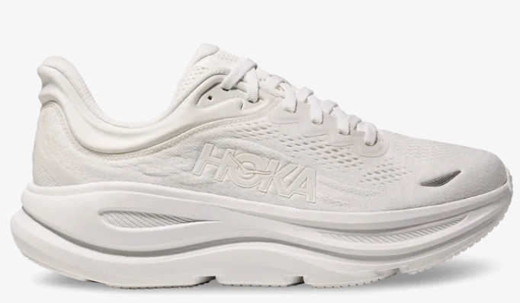
 | W BONDI9 1162014 | 180.00 € | 90.00 € | WWH | US6.5D/UK5/EU 38 | 197634747095 | 3
 | W BONDI9 1162014 | 180.00 € | 90.00 € | WWH | US7D/UK5.5/EU 38 2/3 | 197634747156 | 3
 | W BONDI9 1162014 | 180.00 € | 90.00 € | WWH | US7.5D/UK6/EU 39 1/3 | 197634747118 | 2
 | W BONDI9 1162014 | 180.00 € | 90.00 € | WWH | US8D/UK6.5/EU 40 | 197634747170 | 2
 | W BONDI9 1162014 | 180.00 € | 90.00 € | WWH | US8.5D/UK7/EU 40 2/3 | 197634747163 | 3
 | W BONDI9 1162014 | 180.00 € | 90.00 € | WWH | US9D/UK7.5/EU 41 1/3 | 197634747194 | 2
 | W BONDI9 1162014 | 180.00 € | 90.00 € | WWH | US9.5D/UK8/EU 42 | 197634747187 | 2
 | W BONDI9 1162014 | 180.00 € | 90.00 € | WWH | US10D/UK8.5/EU 42 2/3 | 197634747217 | 2
 | W BONDI9 1162012 | 180.00 € | 90.00 € | BRGL | US5B/UK3.5/EU 36 | 197634742205 | 3
 | W BONDI9 1162012 | 180.00 € | 90.00 € | BRGL | US5.5B/UK4/EU 36 2/3 | 197634742199 | 3
 | W BONDI9 1162012 | 180.00 € | 90.00 € | BRGL | US6B/UK4.5/EU 37 1/3 | 197634742229 | 3
 | W BONDI9 1162012 | 180.00 € | 90.00 € | BRGL | US6.5B/UK5/EU 38 | 197634742212 | 3
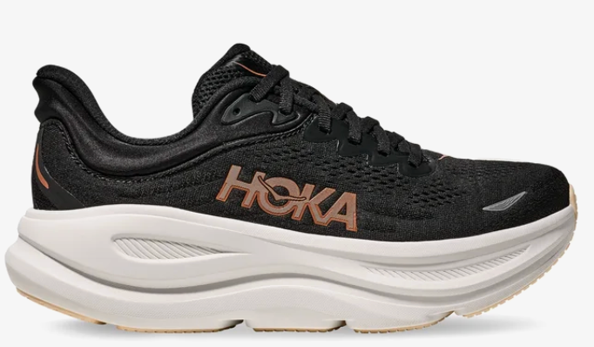
 | W BONDI9 1162012 | 180.00 € | 90.00 € | BRGL | US7B/UK5.5/EU 38 2/3 | 197634742274 | 3
 | W BONDI9 1162012 | 180.00 € | 90.00 € | BRGL | US7.5B/UK6/EU 39 1/3 | 197634742236 | 3
 | W BONDI9 1162012 | 180.00 € | 90.00 € | BRGL | US8B/UK6.5/EU 40 | 197634742298 | 3
 | W BONDI9 1162012 | 180.00 € | 90.00 € | BRGL | US8.5B/UK7/EU 40 2/3 | 197634742281 | 3
 | W BONDI9 1162012 | 180.00 € | 90.00 € | BRGL | US9B/UK7.5/EU 41 1/3 | 197634742311 | 3
 | W BONDI9 1162012 | 180.00 € | 90.00 € | BRGL | US9.5B/UK8/EU 42 | 197634742304 | 3
 | W BONDI9 1162012 | 180.00 € | 90.00 € | BRGL | US10B/UK8.5/EU 42 2/3 | 197634742182 | 2
 | W BONDI9 1162012 | 180.00 € | 90.00 € | BRGL | US10.5B/UK9/EU 43 1/3 | 197634742328 | 1
 | W BONDI9 1162012 | 180.00 € | 90.00 € | BRGL | US11B/UK9.5/EU 44 | 197634742175 | 1
 | W BONDI9 1162012 | 180.00 € | 90.00 € | TLSL | US5B/UK3.5/EU 36 | 198605166389 | 37
 | W BONDI9 1162012 | 180.00 € | 90.00 € | TLSL | US5.5B/UK4/EU 36 2/3 | 198605166372 | 39
 | W BONDI9 1162012 | 180.00 € | 90.00 € | TLSL | US6B/UK4.5/EU 37 1/3 | 198605166402 | 97
 | W BONDI9 1162012 | 180.00 € | 90.00 € | TLSL | US6.5B/UK5/EU 38 | 198605166396 | 240
 | W BONDI9 1162012 | 180.00 € | 90.00 € | TLSL | US7B/UK5.5/EU 38 2/3 | 198605166426 | 242
 | W BONDI9 1162012 | 180.00 € | 90.00 € | TLSL | US7.5B/UK6/EU 39 1/3 | 198605166419 | 255
 | W BONDI9 1162012 | 180.00 € | 90.00 € | TLSL | US8B/UK6.5/EU 40 | 198605166471 | 243
 | W BONDI9 1162012 | 180.00 € | 90.00 € | TLSL | US8.5B/UK7/EU 40 2/3 | 198605166464 | 203
 | W BONDI9 1162012 | 180.00 € | 90.00 € | TLSL | US9B/UK7.5/EU 41 1/3 | 198605166525 | 129
 | W BONDI9 1162012 | 180.00 € | 90.00 € | TLSL | US9.5B/UK8/EU 42 | 198605166518 | 142
 | W BONDI9 1162012 | 180.00 € | 90.00 € | TLSL | US10B/UK8.5/EU 42 2/3 | 198605166549 | 44
 | W BONDI9 1162012 | 180.00 € | 90.00 € | TLSL | US10.5B/UK9/EU 43 1/3 | 198605166532 | 36
 | W BONDI9 1162012 | 180.00 € | 90.00 € | TLSL | US11B/UK9.5/EU 44 | 198605166556 | 2
 |  |  |  |  |  |  | 3373

